Series Dual-Loop

Timing_201_8_The_Case_of_the_Dueling_PLLs - Part 2.xlsx
kgsmith
Revised | 16-Dec-20
Initiated | 11-Dec-20
Worksheet | Series dual loop

PLLs | Order | BW (Hz)
PLL1 | 2 | 100
PLL2 | 2 | 1000000

Frequency (Hz) | Input Phase Noise | VCXO Phase Noise | PLL1 LPF | PLL1 HPF | Input PN Filtered by PLL1 LPF | VCXO PN Filtered by PLL1 HPF | Total PLL1 Phase Noise | VCO Phase Noise | PLL2 LPF | PLL2 HPF | PLL1 PN Filtered by PLL2 LPF | VCO PN Filtered by PLL2 HPF | Total Output Phase Noise
10 | 0.0 | 0.0 | -0.1 | -40.1 | -0.8 | -40.1 | -0.7 | 0.0 | 0.0 | -200.0 | -0.7 | -200.0 | -0.7
100 | -30.0 | -40.0 | -6.0 | -6.0 | -36.0 | -46.0 | -33.6 | -30.0 | 0.0 | -160.0 | -33.6 | -190.0 | -33.6
1000 | -70.0 | -80.0 | -40.1 | -0.1 | -90.8 | -80.1 | -77.9 | -60.0 | 0.0 | -120.0 | -77.9 | -180.0 | -77.9
10000 | -110.0 | -120.0 | -80.0 | 0.0 | -150.1 | -120.0 | -119.7 | -90.0 | 0.0 | -80.0 | -119.7 | -170.0 | -119.7
100000 | -125.0 | -145.0 | -120.0 | 0.0 | -185.0 | -145.0 | -144.9 | -120.0 | -0.1 | -40.1 | -145.0 | -160.1 | -143.6
1000000 | -130.0 | -160.0 | -160.0 | 0.0 | -210.0 | -160.0 | -160.0 | -141.0 | -6.0 | -6.0 | -166.0 | -147.0 | -146.1
10000000 | -130.0 | -160.0 | -200.0 | 0.0 | -230.0 | -160.0 | -160.0 | -163.0 | -40.1 | -0.1 | -200.1 | -163.1 | -163.0
100000000 | -130.0 | -160.0 | -240.0 | 0.0 | -250.0 | -160.0 | -160.0 | -174.0 | -80.0 | 0.0 | -240.0 | -174.0 | -174.0

Notes
1. Example formula for calculating "XO Phase Noise Shaped by IL LPF": |  |  |  |  |  |  | =$C13+20*LOG10(1/(1+$A13/$B$2))
2. Example formula for calculating "VCO Phase Noise Shaped by IL HPF": |  |  |  |  |  |  | =$D13+20*LOG10(1/(1+$B$2/$A13))
3. Example formula for calculating "Input Phase Noise Shaped by OL LPF": |  |  |  |  |  |  | =$B13+20*LOG10(1/(1+$A13/$B$3))
4. Example formula for calculating "Total IL Phase Noise": |  |  |  |  |  |  | =20*LOG10(10^(F13/20)+10^(H13/20))
5. Example formula for calculating "Total IL Phase Noise Shaped by OL HPF": |  |  |  |  |  |  | =$L15+20*LOG10(1/(1+$B$3/$A15))
6. Example formula for calculating "Total Output Jitter": |  |  |  |  |  |  | =20*LOG10(10^(M15/20)+10^(K15/20))

Nested Dual-Loop
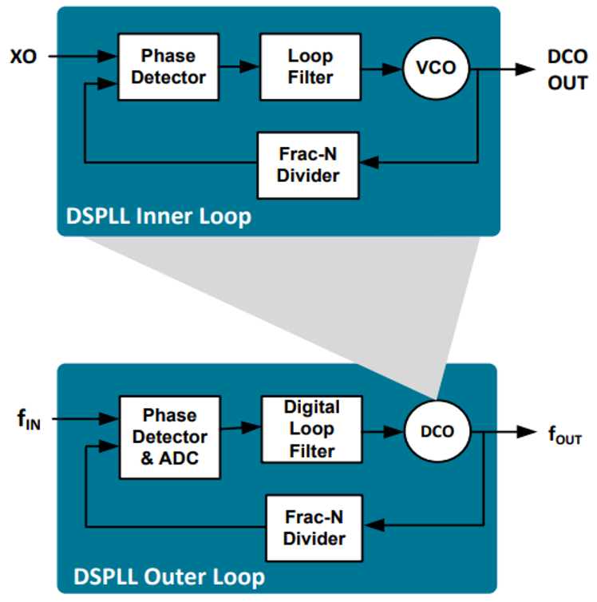
Timing_201_8_The_Case_of_the_Dueling_PLLs - Part 2.xlsx
kgsmith
Revised | 16-Dec-20
Initiated | 11-Dec-20
Worksheet | Nested dual loop

PLLs | Order | BW (Hz)
Inner Loop | 2 | 1000000
Outer Loop | 2 | 100

Frequency (Hz) | Input Phase Noise | XO Phase Noise | IL PLL LPF | IL PLL HPF | XO PN Filtered by IL PLL LPF | VCO PN Filtered by IL PLL HPF | Total IL PLL Phase Noise | VCO Phase Noise | OL PLL LPF | OL PLL HPF | Input PN Filtered by OL PLL LPF | IL PLL PN Filtered by OL PLL HPF | Total Output Phase Noise
10 | 0.0 | 0.0 | 0.0 | -200.0 | 0.0 | -200.0 | 0.0 | 0.0 | -0.1 | -40.1 | -0.1 | -40.1 | 0.0
100 | -30.0 | -40.0 | 0.0 | -160.0 | -40.0 | -190.0 | -40.0 | -30.0 | -6.0 | -6.0 | -36.0 | -46.0 | -33.6
1000 | -70.0 | -80.0 | 0.0 | -120.0 | -80.0 | -180.0 | -80.0 | -60.0 | -40.1 | -0.1 | -110.1 | -80.1 | -79.8
10000 | -110.0 | -120.0 | 0.0 | -80.0 | -120.1 | -170.0 | -120.1 | -90.0 | -80.0 | 0.0 | -190.0 | -120.1 | -120.1
100000 | -125.0 | -145.0 | -0.1 | -40.1 | -145.8 | -160.1 | -144.3 | -120.0 | -120.0 | 0.0 | -245.0 | -144.3 | -144.3
1000000 | -130.0 | -160.0 | -6.0 | -6.0 | -166.0 | -147.0 | -146.1 | -141.0 | -160.0 | 0.0 | -290.0 | -146.1 | -146.1
10000000 | -130.0 | -160.0 | -40.1 | -0.1 | -180.8 | -163.1 | -162.0 | -163.0 | -200.0 | 0.0 | -330.0 | -162.0 | -162.0
100000000 | -130.0 | -160.0 | -80.0 | 0.0 | -200.1 | -174.0 | -173.6 | -174.0 | -240.0 | 0.0 | -370.0 | -173.6 | -173.6

Notes
1. Example formula for calculating "XO Phase Noise Shaped by IL LPF": |  |  |  |  |  |  | =$C13+20*LOG10(1/(1+$A13/$B$2))
2. Example formula for calculating "VCO Phase Noise Shaped by IL HPF": |  |  |  |  |  |  | =$D13+20*LOG10(1/(1+$B$2/$A13))
3. Example formula for calculating "Input Phase Noise Shaped by OL LPF": |  |  |  |  |  |  | =$B13+20*LOG10(1/(1+$A13/$B$3))
4. Example formula for calculating "Total IL Phase Noise": |  |  |  |  |  |  | =20*LOG10(10^(F13/20)+10^(H13/20))
5. Example formula for calculating "Total IL Phase Noise Shaped by OL HPF": |  |  |  |  |  |  | =$L15+20*LOG10(1/(1+$B$3/$A15))
6. Example formula for calculating "Total Output Jitter": |  |  |  |  |  |  | =20*LOG10(10^(M15/20)+10^(K15/20))

Overlaid Plots
 | Input Phase Noise | Total Output Nested Dual Loop Phase Noise | Total Output Series Dual Loop Phase Noise
10 | 0.0 | 0.0 | -0.7
100 | -30.0 | -33.6 | -33.6
1000 | -70.0 | -79.8 | -77.9
10000 | -110.0 | -120.1 | -119.7
100000 | -125.0 | -144.3 | -143.6
1000000 | -130.0 | -146.1 | -146.1
10000000 | -130.0 | -162.0 | -163.0
100000000 | -130.0 | -173.6 | -174.0
Timing_201_8_The_Case_of_the_Dueling_PLLs - Part 2.xlsx
kgsmith
Revised | 16-Dec-20
Initiated | 11-Dec-20
Worksheet | Overlaid Plots

Notes
1. Example formula for calculating "XO Phase Noise Shaped by IL LPF": |  | =$C13+20*LOG10(1/(1+$A13/$B$2))
2. Example formula for calculating "VCO Phase Noise Shaped by IL HPF": |  | =$D13+20*LOG10(1/(1+$B$2/$A13))
3. Example formula for calculating "Input Phase Noise Shaped by OL LPF": |  | =$B13+20*LOG10(1/(1+$A13/$B$3))
4. Example formula for calculating "Total IL Phase Noise": |  | =20*LOG10(10^(F13/20)+10^(H13/20))
5. Example formula for calculating "Total IL Phase Noise Shaped by OL HPF": |  | =$L15+20*LOG10(1/(1+$B$3/$A15))
6. Example formula for calculating "Total Output Jitter": |  | =20*LOG10(10^(M15/20)+10^(K15/20))

