Phase Data Overlapping ADEV
Overlapping_AVAR_ADEV_Example.xlsx
kgsmith
Revised | 3-Jun-21
Initiated | 25-May-21

Notes
1. Overlapping Allan Variance calcs per p. 31 here: |  |  |  | http://www.stable32.com/handbook.pdf
2. In this form, tau = m*tau0.
3. Example data are taken from the first 20 samples of a lab phase data file where tau0 = 100ms.
 | tau0 | 1.00E-01
 | N | 20
4. For this example, only calculate for m = 1 through m = 4. The prefix product and final index are calculated at right. |  |  |  |  |  |  |  | m | 1/(2*(N-2m)*(m*tau0)^2) | N-2m
 |  |  |  |  |  |  |  | 1 | 2.7778 | 18
 |  |  |  | m |  |  |  | 2 | 0.7812 | 16
 |  | i | Xi | 1 | 2 | 3 | 4 | 3 | 0.3968 | 14
 |  | 1 | 0.000000000000000E+00 | 1.8888082341E-18 | 1.8797843065E-19 | 7.9892282256E-19 | 9.883477068E-20 | 4 | 0.2604 | 12
 |  | 2 | 1.691426992416380E-10 | 2.4780754218E-18 | 1.827001839E-19 | 2.3077251452E-20 | 1.4930494815E-20
 |  | 3 | 1.712624597549430E-09 | 1.7968780806E-18 | 1.7127452109E-22 | 1.886930901E-20 | 5.0270367309E-19 | Matches Stable32 results for same data. See Sigma column below.
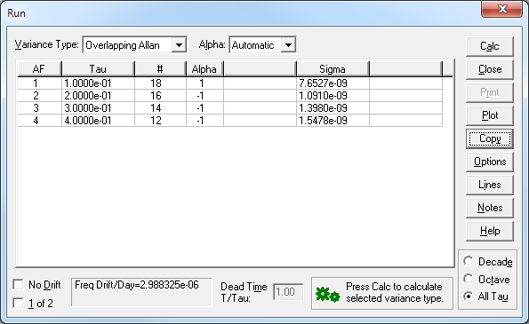
 |  | 4 | 1.681916093826290E-09 | 4.6148761749E-19 | 9.9964788676E-21 | 1.32421453E-19 | 1.2890514576E-18
 |  | 5 | 2.991684401035300E-09 | 2.5944744312E-23 | 2.1129295361E-20 | 6.7443252684E-19 | 1.4918393895E-18
 |  | 6 | 3.622123908996580E-09 | 5.9155172015E-19 | 2.5523593384E-19 | 6.2646335583E-19 | 9.3466049304E-19
 |  | 7 | 4.257657015323640E-09 | 1.9543547759E-18 | 1.8609283699E-19 | 3.2402508217E-19 | 3.7288121118E-19
 |  | 8 | 5.662314116954800E-09 | 2.3153639187E-18 | 5.0592968764E-20 | 1.9766204562E-19 | 1.3672142668E-23
 |  | 9 | 5.668988823890680E-09 | 1.4735454388E-18 | 4.5488357676E-20 | 9.4165601902E-22 | 7.9374837895E-19
 |  | 10 | 7.197295522689820E-09 | 4.6407812521E-19 | 1.3717072928E-22 | 3.4742062623E-19 | 5.8381948505E-19
 |  | 11 | 7.511705422401419E-09 | 4.1875395596E-21 | 6.1159656808E-20 | 2.2640239688E-19 | 2.3130759617E-18
 |  | 12 | 8.507348120212550E-09 | 6.7628779735E-19 | 5.9856168756E-20 | 1.1390797671E-18 | 8.0437792303E-19
 |  | 13 | 9.567702019214631E-09 | 1.7761383235E-18 | 3.7160728578E-19 | 3.4873180794E-19
 |  | 14 | 9.805688726902010E-09 | 2.5549285853E-18 | 8.2072161924E-20 | 6.6769740181E-20
 |  | 15 | 1.137639383077620E-08 | 1.5738063702E-18 | 2.9575331348E-21
 |  | 16 | 1.134868453741070E-08 | 3.8954075517E-19 | 6.2807517505E-21
 |  | 17 | 1.257548964023590E-08 | 3.6764334196E-21
 |  | 18 | 1.317816274166100E-08 | 6.8004827384E-19
 |  | 19 | 1.372020224332810E-08
 |  | 20 | 1.508689213991160E-08
 |  |  | Sum | 2.11E-17 | 1.52E-18 | 4.93E-18 | 9.20E-18

 |  |  | AVAR | 5.86E-17 | 1.19E-18 | 1.95E-18 | 2.40E-18
 |  |  | ADEV | 7.6527E-09 | 1.0910E-09 | 1.3980E-09 | 1.5478E-09

