2. 50 MHz AWG Calcs
PhaseJitterCalcsClockTreeWithoutSpurs.xlsx
Worksheet: |  | 50 MHz AWG Fin Phase Jitter
kgsmith
Revised |  | 23-Oct-18
Initiated |  | 17-Oct-18

User to supply highlighted data.

 | fCARRIER (Hz) | 5.000E+07 |  |  |  |  | JRMS w/o Spurs (fs)
 | Jitter Filters | fC (Hz) |  |  |  |  | Output Clk | Calc | Meas | Δ
 | HPF | 1.200E+04 |  |  |  |  | AWG | 7917 | 7910 | 0.1%
 | LPF | 2.000E+07

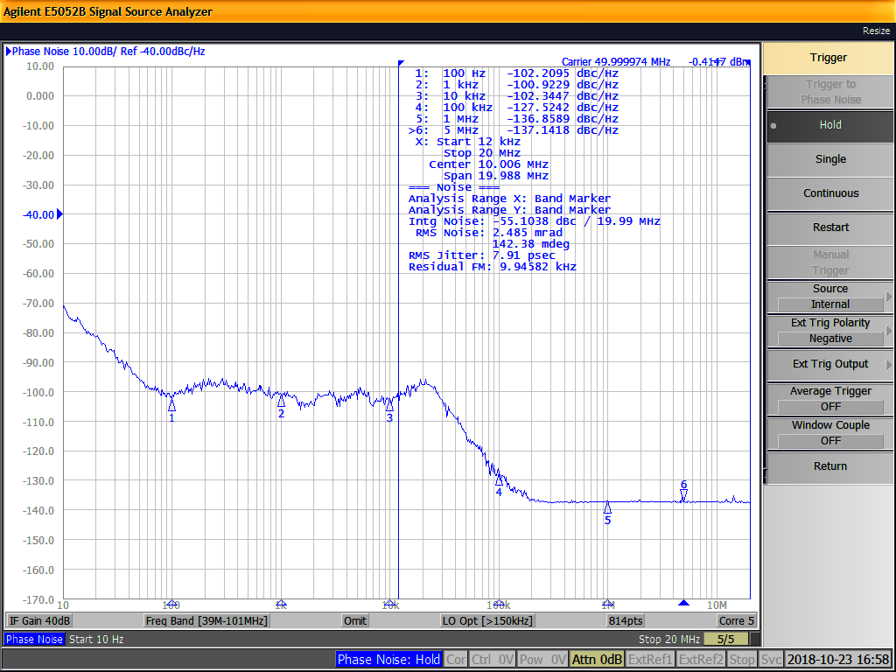

 |  |  |  | L(f) (W/Hz) | L(f) * Δf (W)
 | Input Clock |  |  | Filtered | Filtered
N | f (Hz) | L(f) (dBc/Hz) | L(f) (W/Hz) | Brick Wall | Brick Wall | Notes
0 | 1.00E+01 | -71.65 | 6.83E-08 | 0.00E+00 | N/A
1 | 1.02E+01 | -70.91 | 8.11E-08 | 0.00E+00 | 0.00E+00
2 | 1.04E+01 | -71.37 | 7.30E-08 | 0.00E+00 | 0.00E+00
3 | 1.06E+01 | -71.82 | 6.57E-08 | 0.00E+00 | 0.00E+00
4 | 1.07E+01 | -72.49 | 5.63E-08 | 0.00E+00 | 0.00E+00
5 | 1.09E+01 | -72.95 | 5.07E-08 | 0.00E+00 | 0.00E+00
6 | 1.11E+01 | -74.12 | 3.87E-08 | 0.00E+00 | 0.00E+00
7 | 1.13E+01 | -74.58 | 3.49E-08 | 0.00E+00 | 0.00E+00
8 | 1.15E+01 | -75.03 | 3.14E-08 | 0.00E+00 | 0.00E+00
9 | 1.17E+01 | -75.17 | 3.04E-08 | 0.00E+00 | 0.00E+00
10 | 1.20E+01 | -75.62 | 2.74E-08 | 0.00E+00 | 0.00E+00
11 | 1.22E+01 | -75.55 | 2.79E-08 | 0.00E+00 | 0.00E+00
12 | 1.24E+01 | -76.00 | 2.51E-08 | 0.00E+00 | 0.00E+00
13 | 1.26E+01 | -75.96 | 2.54E-08 | 0.00E+00 | 0.00E+00
14 | 1.28E+01 | -76.41 | 2.29E-08 | 0.00E+00 | 0.00E+00
15 | 1.31E+01 | -75.73 | 2.67E-08 | 0.00E+00 | 0.00E+00
16 | 1.33E+01 | -76.18 | 2.41E-08 | 0.00E+00 | 0.00E+00
17 | 1.35E+01 | -74.82 | 3.30E-08 | 0.00E+00 | 0.00E+00
18 | 1.38E+01 | -75.27 | 2.97E-08 | 0.00E+00 | 0.00E+00
19 | 1.40E+01 | -75.63 | 2.74E-08 | 0.00E+00 | 0.00E+00
20 | 1.43E+01 | -76.07 | 2.47E-08 | 0.00E+00 | 0.00E+00
21 | 1.45E+01 | -77.20 | 1.91E-08 | 0.00E+00 | 0.00E+00
22 | 1.48E+01 | -77.36 | 1.84E-08 | 0.00E+00 | 0.00E+00
23 | 1.51E+01 | -77.81 | 1.66E-08 | 0.00E+00 | 0.00E+00
24 | 1.53E+01 | -78.45 | 1.43E-08 | 0.00E+00 | 0.00E+00
25 | 1.56E+01 | -78.89 | 1.29E-08 | 0.00E+00 | 0.00E+00
26 | 1.59E+01 | -78.85 | 1.30E-08 | 0.00E+00 | 0.00E+00
27 | 1.62E+01 | -79.89 | 1.02E-08 | 0.00E+00 | 0.00E+00
28 | 1.65E+01 | -80.33 | 9.26E-09 | 0.00E+00 | 0.00E+00
29 | 1.68E+01 | -79.78 | 1.05E-08 | 0.00E+00 | 0.00E+00
30 | 1.71E+01 | -79.46 | 1.13E-08 | 0.00E+00 | 0.00E+00
31 | 1.74E+01 | -79.90 | 1.02E-08 | 0.00E+00 | 0.00E+00
32 | 1.77E+01 | -80.49 | 8.93E-09 | 0.00E+00 | 0.00E+00
33 | 1.80E+01 | -80.53 | 8.84E-09 | 0.00E+00 | 0.00E+00
34 | 1.83E+01 | -80.97 | 8.00E-09 | 0.00E+00 | 0.00E+00
35 | 1.87E+01 | -80.79 | 8.34E-09 | 0.00E+00 | 0.00E+00
36 | 1.90E+01 | -80.53 | 8.85E-09 | 0.00E+00 | 0.00E+00
37 | 1.94E+01 | -80.96 | 8.01E-09 | 0.00E+00 | 0.00E+00
38 | 1.97E+01 | -81.20 | 7.59E-09 | 0.00E+00 | 0.00E+00
39 | 2.01E+01 | -81.74 | 6.70E-09 | 0.00E+00 | 0.00E+00
40 | 2.04E+01 | -81.26 | 7.49E-09 | 0.00E+00 | 0.00E+00
41 | 2.08E+01 | -81.07 | 7.81E-09 | 0.00E+00 | 0.00E+00
42 | 2.12E+01 | -81.50 | 7.08E-09 | 0.00E+00 | 0.00E+00
43 | 2.15E+01 | -82.08 | 6.19E-09 | 0.00E+00 | 0.00E+00
44 | 2.19E+01 | -82.72 | 5.34E-09 | 0.00E+00 | 0.00E+00
45 | 2.23E+01 | -83.15 | 4.84E-09 | 0.00E+00 | 0.00E+00
46 | 2.27E+01 | -84.17 | 3.83E-09 | 0.00E+00 | 0.00E+00
47 | 2.31E+01 | -83.80 | 4.17E-09 | 0.00E+00 | 0.00E+00
48 | 2.36E+01 | -83.58 | 4.38E-09 | 0.00E+00 | 0.00E+00
49 | 2.40E+01 | -84.01 | 3.98E-09 | 0.00E+00 | 0.00E+00
50 | 2.44E+01 | -84.25 | 3.76E-09 | 0.00E+00 | 0.00E+00
51 | 2.49E+01 | -85.81 | 2.62E-09 | 0.00E+00 | 0.00E+00
52 | 2.53E+01 | -86.25 | 2.37E-09 | 0.00E+00 | 0.00E+00
53 | 2.58E+01 | -86.67 | 2.15E-09 | 0.00E+00 | 0.00E+00
54 | 2.62E+01 | -86.03 | 2.49E-09 | 0.00E+00 | 0.00E+00
55 | 2.67E+01 | -85.74 | 2.67E-09 | 0.00E+00 | 0.00E+00
56 | 2.72E+01 | -85.75 | 2.66E-09 | 0.00E+00 | 0.00E+00
57 | 2.77E+01 | -85.69 | 2.70E-09 | 0.00E+00 | 0.00E+00
58 | 2.82E+01 | -86.32 | 2.33E-09 | 0.00E+00 | 0.00E+00
59 | 2.87E+01 | -86.45 | 2.26E-09 | 0.00E+00 | 0.00E+00
60 | 2.92E+01 | -86.01 | 2.51E-09 | 0.00E+00 | 0.00E+00
61 | 2.97E+01 | -86.15 | 2.43E-09 | 0.00E+00 | 0.00E+00
62 | 3.02E+01 | -87.74 | 1.68E-09 | 0.00E+00 | 0.00E+00
63 | 3.08E+01 | -88.70 | 1.35E-09 | 0.00E+00 | 0.00E+00
64 | 3.13E+01 | -88.52 | 1.41E-09 | 0.00E+00 | 0.00E+00
65 | 3.19E+01 | -88.41 | 1.44E-09 | 0.00E+00 | 0.00E+00
66 | 3.25E+01 | -90.19 | 9.57E-10 | 0.00E+00 | 0.00E+00
67 | 3.31E+01 | -90.15 | 9.66E-10 | 0.00E+00 | 0.00E+00
68 | 3.37E+01 | -90.26 | 9.42E-10 | 0.00E+00 | 0.00E+00
69 | 3.43E+01 | -90.03 | 9.92E-10 | 0.00E+00 | 0.00E+00
70 | 3.49E+01 | -89.47 | 1.13E-09 | 0.00E+00 | 0.00E+00
71 | 3.55E+01 | -90.01 | 9.99E-10 | 0.00E+00 | 0.00E+00
72 | 3.62E+01 | -91.27 | 7.46E-10 | 0.00E+00 | 0.00E+00
73 | 3.68E+01 | -92.49 | 5.63E-10 | 0.00E+00 | 0.00E+00
74 | 3.75E+01 | -91.48 | 7.11E-10 | 0.00E+00 | 0.00E+00
75 | 3.81E+01 | -90.05 | 9.90E-10 | 0.00E+00 | 0.00E+00
76 | 3.88E+01 | -90.93 | 8.07E-10 | 0.00E+00 | 0.00E+00
77 | 3.95E+01 | -91.49 | 7.09E-10 | 0.00E+00 | 0.00E+00
78 | 4.02E+01 | -91.79 | 6.62E-10 | 0.00E+00 | 0.00E+00
79 | 4.10E+01 | -91.79 | 6.63E-10 | 0.00E+00 | 0.00E+00
80 | 4.17E+01 | -92.13 | 6.12E-10 | 0.00E+00 | 0.00E+00
81 | 4.25E+01 | -93.09 | 4.91E-10 | 0.00E+00 | 0.00E+00
82 | 4.32E+01 | -93.93 | 4.05E-10 | 0.00E+00 | 0.00E+00
83 | 4.40E+01 | -94.07 | 3.92E-10 | 0.00E+00 | 0.00E+00
84 | 4.48E+01 | -94.11 | 3.88E-10 | 0.00E+00 | 0.00E+00
85 | 4.56E+01 | -94.19 | 3.81E-10 | 0.00E+00 | 0.00E+00
86 | 4.64E+01 | -94.47 | 3.58E-10 | 0.00E+00 | 0.00E+00
87 | 4.73E+01 | -95.26 | 2.98E-10 | 0.00E+00 | 0.00E+00
88 | 4.81E+01 | -95.15 | 3.06E-10 | 0.00E+00 | 0.00E+00
89 | 4.90E+01 | -95.19 | 3.02E-10 | 0.00E+00 | 0.00E+00
90 | 4.99E+01 | -95.60 | 2.75E-10 | 0.00E+00 | 0.00E+00
91 | 5.07E+01 | -95.94 | 2.55E-10 | 0.00E+00 | 0.00E+00
92 | 5.17E+01 | -96.52 | 2.23E-10 | 0.00E+00 | 0.00E+00
93 | 5.26E+01 | -96.01 | 2.51E-10 | 0.00E+00 | 0.00E+00
94 | 5.35E+01 | -96.57 | 2.20E-10 | 0.00E+00 | 0.00E+00
95 | 5.45E+01 | -96.98 | 2.00E-10 | 0.00E+00 | 0.00E+00
96 | 5.55E+01 | -96.75 | 2.11E-10 | 0.00E+00 | 0.00E+00
97 | 5.65E+01 | -97.92 | 1.61E-10 | 0.00E+00 | 0.00E+00
98 | 5.75E+01 | -98.94 | 1.28E-10 | 0.00E+00 | 0.00E+00
99 | 5.85E+01 | -98.41 | 1.44E-10 | 0.00E+00 | 0.00E+00
100 | 5.96E+01 | -97.98 | 1.59E-10 | 0.00E+00 | 0.00E+00
101 | 6.07E+01 | -98.15 | 1.53E-10 | 0.00E+00 | 0.00E+00
102 | 6.18E+01 | -99.17 | 1.21E-10 | 0.00E+00 | 0.00E+00
103 | 6.29E+01 | -99.07 | 1.24E-10 | 0.00E+00 | 0.00E+00
104 | 6.40E+01 | -98.69 | 1.35E-10 | 0.00E+00 | 0.00E+00
105 | 6.52E+01 | -99.28 | 1.18E-10 | 0.00E+00 | 0.00E+00
106 | 6.63E+01 | -98.85 | 1.30E-10 | 0.00E+00 | 0.00E+00
107 | 6.75E+01 | -99.33 | 1.17E-10 | 0.00E+00 | 0.00E+00
108 | 6.87E+01 | -99.42 | 1.14E-10 | 0.00E+00 | 0.00E+00
109 | 7.00E+01 | -98.34 | 1.46E-10 | 0.00E+00 | 0.00E+00
110 | 7.12E+01 | -99.58 | 1.10E-10 | 0.00E+00 | 0.00E+00
111 | 7.25E+01 | -99.30 | 1.18E-10 | 0.00E+00 | 0.00E+00
112 | 7.38E+01 | -98.84 | 1.31E-10 | 0.00E+00 | 0.00E+00
113 | 7.52E+01 | -100.42 | 9.08E-11 | 0.00E+00 | 0.00E+00
114 | 7.65E+01 | -100.65 | 8.60E-11 | 0.00E+00 | 0.00E+00
115 | 7.79E+01 | -100.77 | 8.38E-11 | 0.00E+00 | 0.00E+00
116 | 7.93E+01 | -101.39 | 7.26E-11 | 0.00E+00 | 0.00E+00
117 | 8.07E+01 | -99.92 | 1.02E-10 | 0.00E+00 | 0.00E+00
118 | 8.22E+01 | -99.43 | 1.14E-10 | 0.00E+00 | 0.00E+00
119 | 8.37E+01 | -100.92 | 8.08E-11 | 0.00E+00 | 0.00E+00
120 | 8.52E+01 | -100.58 | 8.74E-11 | 0.00E+00 | 0.00E+00
121 | 8.67E+01 | -100.55 | 8.82E-11 | 0.00E+00 | 0.00E+00
122 | 8.83E+01 | -101.71 | 6.74E-11 | 0.00E+00 | 0.00E+00
123 | 8.98E+01 | -101.72 | 6.73E-11 | 0.00E+00 | 0.00E+00
124 | 9.15E+01 | -100.68 | 8.55E-11 | 0.00E+00 | 0.00E+00
125 | 9.31E+01 | -100.65 | 8.62E-11 | 0.00E+00 | 0.00E+00
126 | 9.48E+01 | -100.66 | 8.60E-11 | 0.00E+00 | 0.00E+00
127 | 9.65E+01 | -101.70 | 6.76E-11 | 0.00E+00 | 0.00E+00
128 | 9.82E+01 | -101.69 | 6.78E-11 | 0.00E+00 | 0.00E+00
129 | 1.00E+02 | -102.21 | 6.01E-11 | 0.00E+00 | 0.00E+00
130 | 1.02E+02 | -101.31 | 7.39E-11 | 0.00E+00 | 0.00E+00
131 | 1.04E+02 | -101.64 | 6.85E-11 | 0.00E+00 | 0.00E+00
132 | 1.06E+02 | -100.34 | 9.25E-11 | 0.00E+00 | 0.00E+00
133 | 1.07E+02 | -100.38 | 9.16E-11 | 0.00E+00 | 0.00E+00
134 | 1.09E+02 | -100.73 | 8.45E-11 | 0.00E+00 | 0.00E+00
135 | 1.11E+02 | -100.65 | 8.61E-11 | 0.00E+00 | 0.00E+00
136 | 1.13E+02 | -100.84 | 8.24E-11 | 0.00E+00 | 0.00E+00
137 | 1.15E+02 | -100.03 | 9.94E-11 | 0.00E+00 | 0.00E+00
138 | 1.17E+02 | -99.70 | 1.07E-10 | 0.00E+00 | 0.00E+00
139 | 1.20E+02 | -100.61 | 8.69E-11 | 0.00E+00 | 0.00E+00
140 | 1.22E+02 | -99.53 | 1.11E-10 | 0.00E+00 | 0.00E+00
...

4. 50 MHz Sig Gen Calcs
...
23-Oct-18
17-Oct-18
...
5.000E+07 |  |  |  |  | JRMS w/o Spurs (fs)
fC (Hz) |  |  |  |  | Output Clk | Calc | Meas | Δ
1.200E+04 |  |  |  |  | Sig Gen | 785 | 784.98 | 0.02%
2.000E+07

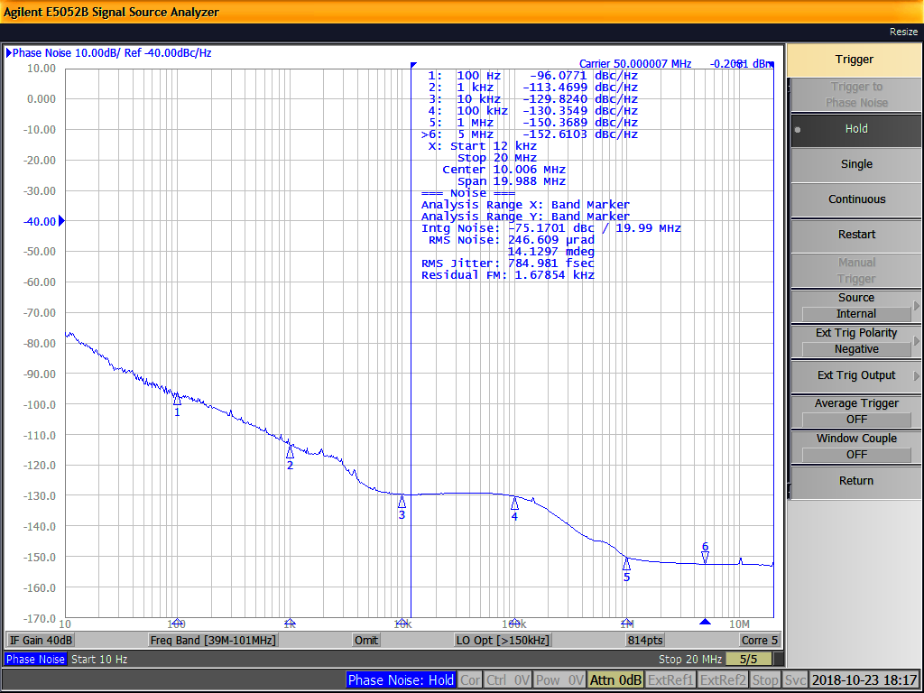

 |  | L(f) (W/Hz) | L(f) * Δf (W)
 |  | Filtered | Filtered
L(f) (dBc/Hz) | L(f) (W/Hz) | Brick Wall | Brick Wall | Notes
-7.66E+01 | 2.21E-08 | 0.00E+00 | N/A
-7.72E+01 | 1.89E-08 | 0.00E+00 | 0.00E+00
-7.77E+01 | 1.71E-08 | 0.00E+00 | 0.00E+00
-7.81E+01 | 1.54E-08 | 0.00E+00 | 0.00E+00
-7.74E+01 | 1.81E-08 | 0.00E+00 | 0.00E+00
-7.79E+01 | 1.63E-08 | 0.00E+00 | 0.00E+00
-7.65E+01 | 2.24E-08 | 0.00E+00 | 0.00E+00
-7.69E+01 | 2.02E-08 | 0.00E+00 | 0.00E+00
-7.74E+01 | 1.82E-08 | 0.00E+00 | 0.00E+00
-7.68E+01 | 2.08E-08 | 0.00E+00 | 0.00E+00
-7.73E+01 | 1.87E-08 | 0.00E+00 | 0.00E+00
-7.80E+01 | 1.59E-08 | 0.00E+00 | 0.00E+00
-7.84E+01 | 1.43E-08 | 0.00E+00 | 0.00E+00
-7.88E+01 | 1.32E-08 | 0.00E+00 | 0.00E+00
-7.93E+01 | 1.19E-08 | 0.00E+00 | 0.00E+00
-7.91E+01 | 1.24E-08 | 0.00E+00 | 0.00E+00
-7.95E+01 | 1.12E-08 | 0.00E+00 | 0.00E+00
-8.01E+01 | 9.68E-09 | 0.00E+00 | 0.00E+00
-8.06E+01 | 8.73E-09 | 0.00E+00 | 0.00E+00
-7.97E+01 | 1.06E-08 | 0.00E+00 | 0.00E+00
-8.02E+01 | 9.57E-09 | 0.00E+00 | 0.00E+00
-8.02E+01 | 9.60E-09 | 0.00E+00 | 0.00E+00
-8.07E+01 | 8.54E-09 | 0.00E+00 | 0.00E+00
-8.11E+01 | 7.71E-09 | 0.00E+00 | 0.00E+00
-8.04E+01 | 9.11E-09 | 0.00E+00 | 0.00E+00
-8.09E+01 | 8.22E-09 | 0.00E+00 | 0.00E+00
-8.14E+01 | 7.29E-09 | 0.00E+00 | 0.00E+00
-8.10E+01 | 7.97E-09 | 0.00E+00 | 0.00E+00
-8.14E+01 | 7.20E-09 | 0.00E+00 | 0.00E+00
-8.18E+01 | 6.63E-09 | 0.00E+00 | 0.00E+00
-8.15E+01 | 7.07E-09 | 0.00E+00 | 0.00E+00
-8.19E+01 | 6.39E-09 | 0.00E+00 | 0.00E+00
-8.21E+01 | 6.21E-09 | 0.00E+00 | 0.00E+00
-8.30E+01 | 5.01E-09 | 0.00E+00 | 0.00E+00
-8.34E+01 | 4.53E-09 | 0.00E+00 | 0.00E+00
-8.24E+01 | 5.74E-09 | 0.00E+00 | 0.00E+00
-8.21E+01 | 6.19E-09 | 0.00E+00 | 0.00E+00
-8.25E+01 | 5.60E-09 | 0.00E+00 | 0.00E+00
-8.37E+01 | 4.25E-09 | 0.00E+00 | 0.00E+00
-8.39E+01 | 4.10E-09 | 0.00E+00 | 0.00E+00
...

5. 50 MHz AWG vs Sig Gen Plots
50 MHz AWG versus Signal Generator Phase Noise Plots
 | 50 MHz AWG | 50 MHz Sig Gen
1.00E+01 | -7.17E+01 | -7.66E+01
1.02E+01 | -7.09E+01 | -7.72E+01
1.04E+01 | -7.14E+01 | -7.77E+01
1.06E+01 | -7.18E+01 | -7.81E+01
1.07E+01 | -7.25E+01 | -7.74E+01
1.09E+01 | -7.29E+01 | -7.79E+01
1.11E+01 | -7.41E+01 | -7.65E+01
1.13E+01 | -7.46E+01 | -7.69E+01
1.15E+01 | -7.50E+01 | -7.74E+01
1.17E+01 | -7.52E+01 | -7.68E+01
1.20E+01 | -7.56E+01 | -7.73E+01
1.22E+01 | -7.55E+01 | -7.80E+01
1.24E+01 | -7.60E+01 | -7.84E+01
1.26E+01 | -7.60E+01 | -7.88E+01
1.28E+01 | -7.64E+01 | -7.93E+01
1.31E+01 | -7.57E+01 | -7.91E+01
1.33E+01 | -7.62E+01 | -7.95E+01
1.35E+01 | -7.48E+01 | -8.01E+01
1.38E+01 | -7.53E+01 | -8.06E+01
1.40E+01 | -7.56E+01 | -7.97E+01
1.43E+01 | -7.61E+01 | -8.02E+01
1.45E+01 | -7.72E+01 | -8.02E+01
1.48E+01 | -7.74E+01 | -8.07E+01
1.51E+01 | -7.78E+01 | -8.11E+01
1.53E+01 | -7.84E+01 | -8.04E+01
1.56E+01 | -7.89E+01 | -8.09E+01
1.59E+01 | -7.88E+01 | -8.14E+01
1.62E+01 | -7.99E+01 | -8.10E+01
1.65E+01 | -8.03E+01 | -8.14E+01
1.68E+01 | -7.98E+01 | -8.18E+01
1.71E+01 | -7.95E+01 | -8.15E+01
1.74E+01 | -7.99E+01 | -8.19E+01
1.77E+01 | -8.05E+01 | -8.21E+01
1.80E+01 | -8.05E+01 | -8.30E+01
1.83E+01 | -8.10E+01 | -8.34E+01
1.87E+01 | -8.08E+01 | -8.24E+01
1.90E+01 | -8.05E+01 | -8.21E+01
1.94E+01 | -8.10E+01 | -8.25E+01
1.97E+01 | -8.12E+01 | -8.37E+01
2.01E+01 | -8.17E+01 | -8.39E+01
2.04E+01 | -8.13E+01 | -8.38E+01
2.08E+01 | -8.11E+01 | -8.40E+01
2.12E+01 | -8.15E+01 | -8.45E+01
2.15E+01 | -8.21E+01 | -8.39E+01
2.19E+01 | -8.27E+01 | -8.43E+01
2.23E+01 | -8.32E+01 | -8.49E+01
2.27E+01 | -8.42E+01 | -8.50E+01
2.31E+01 | -8.38E+01 | -8.56E+01
2.36E+01 | -8.36E+01 | -8.48E+01
2.40E+01 | -8.40E+01 | -8.52E+01
...

7. JGEN 156.25 MHz Calcs
...
23-Oct-18
17-Oct-18
...
1.5625E+08 |  |  |  |  | JRMS w/o Spurs (fs)
fC (Hz) |  |  |  |  | Output Clk | Calc | Meas | Δ
1.200E+04 |  |  |  |  | Sig Gen | 83.5 | 83.44 | 0.03%
2.000E+07
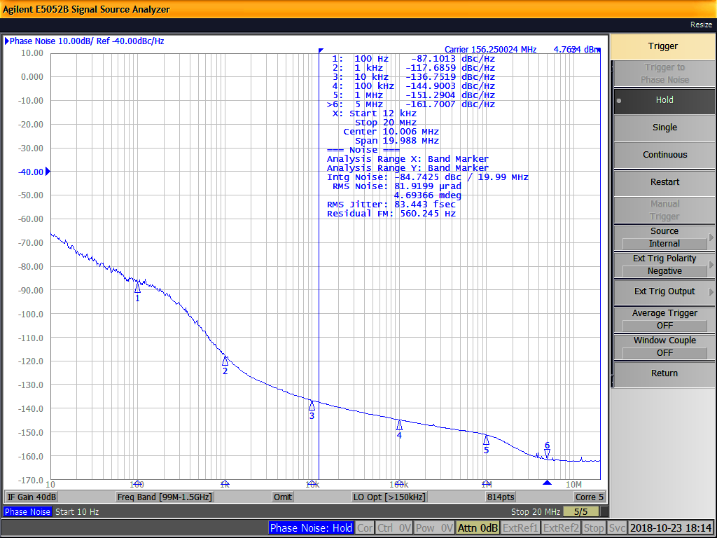

 |  | L(f) (W/Hz) | L(f) * Δf (W)
 |  | Filtered | Filtered
L(f) (dBc/Hz) | L(f) (W/Hz) | Brick Wall | Brick Wall | Notes
-6.64E+01 | 2.28E-07 | 0.00E+00 | N/A
-6.61E+01 | 2.47E-07 | 0.00E+00 | 0.00E+00
-6.65E+01 | 2.22E-07 | 0.00E+00 | 0.00E+00
-6.70E+01 | 2.00E-07 | 0.00E+00 | 0.00E+00
-6.70E+01 | 1.99E-07 | 0.00E+00 | 0.00E+00
-6.75E+01 | 1.79E-07 | 0.00E+00 | 0.00E+00
-6.65E+01 | 2.22E-07 | 0.00E+00 | 0.00E+00
-6.70E+01 | 1.99E-07 | 0.00E+00 | 0.00E+00
-6.75E+01 | 1.79E-07 | 0.00E+00 | 0.00E+00
-6.74E+01 | 1.82E-07 | 0.00E+00 | 0.00E+00
-6.79E+01 | 1.64E-07 | 0.00E+00 | 0.00E+00
-6.80E+01 | 1.59E-07 | 0.00E+00 | 0.00E+00
-6.85E+01 | 1.43E-07 | 0.00E+00 | 0.00E+00
-6.81E+01 | 1.54E-07 | 0.00E+00 | 0.00E+00
-6.86E+01 | 1.39E-07 | 0.00E+00 | 0.00E+00
-6.91E+01 | 1.24E-07 | 0.00E+00 | 0.00E+00
-6.95E+01 | 1.12E-07 | 0.00E+00 | 0.00E+00
-6.94E+01 | 1.14E-07 | 0.00E+00 | 0.00E+00
-6.99E+01 | 1.03E-07 | 0.00E+00 | 0.00E+00
-7.00E+01 | 1.00E-07 | 0.00E+00 | 0.00E+00
-7.05E+01 | 9.00E-08 | 0.00E+00 | 0.00E+00
-7.04E+01 | 9.22E-08 | 0.00E+00 | 0.00E+00
-6.90E+01 | 1.25E-07 | 0.00E+00 | 0.00E+00
-6.95E+01 | 1.12E-07 | 0.00E+00 | 0.00E+00
-6.98E+01 | 1.04E-07 | 0.00E+00 | 0.00E+00
-7.03E+01 | 9.34E-08 | 0.00E+00 | 0.00E+00
-7.21E+01 | 6.19E-08 | 0.00E+00 | 0.00E+00
-7.20E+01 | 6.34E-08 | 0.00E+00 | 0.00E+00
-7.24E+01 | 5.70E-08 | 0.00E+00 | 0.00E+00
-7.21E+01 | 6.14E-08 | 0.00E+00 | 0.00E+00
-7.23E+01 | 5.92E-08 | 0.00E+00 | 0.00E+00
-7.27E+01 | 5.33E-08 | 0.00E+00 | 0.00E+00
-7.14E+01 | 7.26E-08 | 0.00E+00 | 0.00E+00
-7.12E+01 | 7.53E-08 | 0.00E+00 | 0.00E+00
-7.17E+01 | 6.77E-08 | 0.00E+00 | 0.00E+00
-7.25E+01 | 5.61E-08 | 0.00E+00 | 0.00E+00
-7.29E+01 | 5.07E-08 | 0.00E+00 | 0.00E+00
-7.34E+01 | 4.56E-08 | 0.00E+00 | 0.00E+00
-7.44E+01 | 3.64E-08 | 0.00E+00 | 0.00E+00
...

9. Clock Tree Plots
Clock Tree Calculations Phase Noise Plots Fin = 50 MHz, Fout = 156.25 MHz
 | Fin | Fin scaled to Fout | JA JTF | JTF applied to scaled Fin | JGEN | JA Output Clock
1.00E+01 | -71.65 | -61.76 | 0.00 | -61.76 | -66.41 | -6.15E+01
1.02E+01 | -70.91 | -61.02 | 0.00 | -61.02 | -66.07 | -6.08E+01
1.04E+01 | -71.37 | -61.47 | 0.00 | -61.47 | -66.54 | -6.13E+01
1.06E+01 | -71.82 | -61.93 | 0.00 | -61.93 | -67.00 | -6.17E+01
1.07E+01 | -72.49 | -62.60 | 0.00 | -62.60 | -67.02 | -6.23E+01
1.09E+01 | -72.95 | -63.05 | 0.00 | -63.05 | -67.48 | -6.28E+01
1.11E+01 | -74.12 | -64.23 | 0.00 | -64.23 | -66.54 | -6.36E+01
1.13E+01 | -74.58 | -64.68 | 0.00 | -64.68 | -67.01 | -6.40E+01
1.15E+01 | -75.03 | -65.13 | 0.00 | -65.13 | -67.47 | -6.45E+01
1.17E+01 | -75.17 | -65.27 | 0.00 | -65.27 | -67.40 | -6.46E+01
1.20E+01 | -75.62 | -65.73 | 0.00 | -65.73 | -67.86 | -6.50E+01
1.22E+01 | -75.55 | -65.65 | 0.00 | -65.65 | -68.00 | -6.50E+01
1.24E+01 | -76.00 | -66.10 | 0.00 | -66.10 | -68.46 | -6.55E+01
1.26E+01 | -75.96 | -66.06 | 0.00 | -66.06 | -68.12 | -6.54E+01
1.28E+01 | -76.41 | -66.51 | 0.00 | -66.51 | -68.58 | -6.58E+01
1.31E+01 | -75.73 | -65.84 | 0.00 | -65.84 | -69.06 | -6.54E+01
1.33E+01 | -76.18 | -66.29 | 0.00 | -66.29 | -69.52 | -6.58E+01
1.35E+01 | -74.82 | -64.92 | 0.00 | -64.92 | -69.42 | -6.47E+01
1.38E+01 | -75.27 | -65.37 | 0.00 | -65.37 | -69.88 | -6.51E+01
1.40E+01 | -75.63 | -65.73 | 0.00 | -65.73 | -70.00 | -6.54E+01
1.43E+01 | -76.07 | -66.18 | 0.00 | -66.18 | -70.46 | -6.59E+01
1.45E+01 | -77.20 | -67.30 | 0.00 | -67.30 | -70.35 | -6.68E+01
1.48E+01 | -77.36 | -67.46 | 0.00 | -67.46 | -69.03 | -6.66E+01
1.51E+01 | -77.81 | -67.91 | 0.00 | -67.91 | -69.49 | -6.71E+01
1.53E+01 | -78.45 | -68.55 | 0.00 | -68.55 | -69.83 | -6.76E+01
1.56E+01 | -78.89 | -69.00 | 0.00 | -69.00 | -70.30 | -6.80E+01
1.59E+01 | -78.85 | -68.95 | 0.00 | -68.95 | -72.08 | -6.85E+01
1.62E+01 | -79.89 | -70.00 | 0.00 | -70.00 | -71.98 | -6.93E+01
1.65E+01 | -80.33 | -70.44 | 0.00 | -70.44 | -72.44 | -6.97E+01
1.68E+01 | -79.78 | -69.88 | 0.00 | -69.88 | -72.12 | -6.92E+01
1.71E+01 | -79.46 | -69.56 | 0.00 | -69.56 | -72.27 | -6.90E+01
1.74E+01 | -79.90 | -70.00 | 0.00 | -70.00 | -72.74 | -6.95E+01
1.77E+01 | -80.49 | -70.59 | 0.00 | -70.59 | -71.39 | -6.95E+01
1.80E+01 | -80.53 | -70.64 | 0.00 | -70.64 | -71.23 | -6.94E+01
1.83E+01 | -80.97 | -71.07 | 0.00 | -71.07 | -71.69 | -6.99E+01
1.87E+01 | -80.79 | -70.89 | 0.00 | -70.89 | -72.51 | -7.00E+01
1.90E+01 | -80.53 | -70.63 | 0.00 | -70.63 | -72.95 | -7.00E+01
1.94E+01 | -80.96 | -71.07 | 0.00 | -71.07 | -73.41 | -7.04E+01
1.97E+01 | -81.20 | -71.30 | 0.00 | -71.30 | -74.39 | -7.08E+01
2.01E+01 | -81.74 | -71.84 | 0.00 | -71.84 | -74.60 | -7.13E+01
2.04E+01 | -81.26 | -71.36 | 0.00 | -71.36 | -73.69 | -7.07E+01
2.08E+01 | -81.07 | -71.18 | 0.00 | -71.18 | -74.43 | -7.07E+01
2.12E+01 | -81.50 | -71.60 | 0.00 | -71.60 | -74.89 | -7.12E+01
2.15E+01 | -82.08 | -72.19 | 0.00 | -72.19 | -75.53 | -7.18E+01
2.19E+01 | -82.72 | -72.83 | 0.00 | -72.83 | -74.83 | -7.21E+01
2.23E+01 | -83.15 | -73.26 | 0.00 | -73.26 | -74.66 | -7.23E+01
2.27E+01 | -84.17 | -74.27 | 0.00 | -74.27 | -74.98 | -7.31E+01
2.31E+01 | -83.80 | -73.91 | 0.00 | -73.91 | -74.86 | -7.28E+01
2.36E+01 | -83.58 | -73.69 | 0.00 | -73.69 | -75.90 | -7.30E+01
2.40E+01 | -84.01 | -74.11 | 0.00 | -74.11 | -76.36 | -7.34E+01
...

